Books
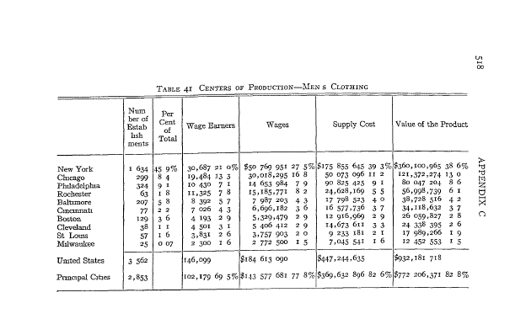
 | Note | pg #
Adler Book | maybe addline about decline was the change in men's cloting tastes for less tailored and less dressy attire, particularly for business wear | 146 | done
Causes of Industrial Peace Under Collective Bargaining | Bond excluded from contract? | 4, 76 | done
Economic Aspects | less concentrated than before | 45 of pdf | done
Economic Aspects | Since the production of wool suits is more concentrated than that of other garments for which the industry is responsible, Chicago and Rochester would rank higher by number of wage earners or value of product than by volume of product | 46 of PDF | done
Economic Aspects | raw mateirals not a vital factor in the location of industry | 48 of pdf | done
Economic Aspects | firms selling through agents have much higher selling costs than firms selling through dealers | 150 of pdf | done
Economic Aspects | control of retail outlets havs been practiced chiefly as a means of guaranteeing volume, also been recommended as a means of reducing seasonality | 179 of pdf | done
Economic Aspects | distribution | 406 of pdf | done
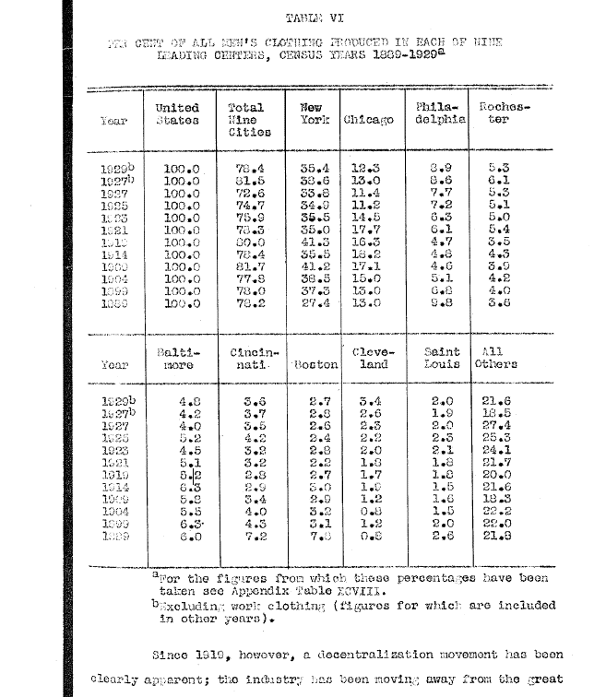
Economic Aspects | the ownership of retail outlets as a means of stabilizing production had succeeded only in shifting the burden from one part of the organization to another and was pretty thoroughly discredited. This selling method was consequently not expected to increase. | 455of pdf | done
Economic Aspects | chart | 531 of pdf | done
Fashion Book | Rochester didn't become important producer until afte rCivil War | 201
Fashion Book | During and following the first WW, prices rose rapidly while quality kept deteriorating in woolen and trimmings, and material purchases resembled stock market speculations. No matter what price was paid at the beginning of the season, materials were worth more at the end of the season. Constantly required a larger investment in inventory and many companies had their fabulous profits represented largely by high priced inventories. | 288 | go back to this page | this might be interesting. Can discuss why rising prices was so dangerous. Make sureto add this
Fashion Book | Woolen purchases due to merchandising practices in the clothing industry were bought nearly a year ahead. Inventory collapse came, was disastrous. Inventory collapse accompanied by an enormous drop in business. Cotton collapsed at the same time, dropping from 40 cents to 10 cents a pound | 288 | go back to this page | this might be interesting. Can discuss why rising prices was so dangerous. Make sureto add this
Fashion Book | Wool prices remained relatively high from 1924 to 1930 | 288 | go back to this page | this might be interesting. Can discuss why rising prices was so dangerous. Make sureto add this
Fashion Book | most business which weathered the slump of 1921 experienced a spurt of prosperity in the Harding and Coolidge administrations, but men’s clothing did not share in the easy money because the woolen industry instead of improving, staged a depression of its own which lasted for eleven years. None of the mills could make money. Their leader showed a loss of approx $12 million in 1924 and 1925 and about $4 million in 1926. Wool textile industry altogether lost $90 million in the 20s. | 292
Fashion Book | The only time the industry got together was when political urgency demanded it when tariffs were being proposed. In 1925 only 60% of the woolen and worsted machinery was in operation. During the war much machinery had been added to keep up with government contracts, and now overproduction was made worse by underconsumption in the women’s market because of competition from fur coats and silk and later rayon dresses and suits. | 292
Fashion Book | Bond had $10 million Rochester factory | 310
Fashion Book | Between 1925 and 1930 an increasing number of manufacturers by-passed the independent retailer and opened retail stores of their own, to be assured of outlets. Others openly or secretly maintained both types of distribution | 311
Fashion Book | By 1927 clothing manufacturers were clinging to retailers for support and protection, having been weakened by the monopolistic development of chain stores in the popular priced field. Big outfits demanded preferential treatment in the way of price cuts, returns of unsold stock, and delays in paying bills. | 311
Fashion Book | 320: General Maximum Price Regulation issued by the Office of PRice Administration on April 21, 1942. This regulation established ceiling prices for all commodities at the highest price charged the previous month, though most clothing delivered in MArch had been sold at prices based on lower material and labor cost during the previous selling season. Manufacturers who had received relatively high prices for their MArch output had a decided advantage over the rest of the market. | 320
Fashion Book | During war years mill prices of fabrics went up and so did the cost of labor, so that by early 1945 the clothing manufacturer was being squeezed between the regulation and increased operating costs. | 320
Fashion Book | During the banner year 1946, the average clothing manufacturer made a profit of only 5.01% after taxes, according to Dun and Bradstreet compared to a profit of 3.3% for the preceding five-year period. During that year expenditures for new machinery more than doubled the amount averaged during the war years. | 320
Fashion Book | According to department of commerce, Rochester 6.3% of mens suits. NY, Philadelphia, Baltimore, Rochester, Chicago, Cleveland | 321
Fashion Book | 75% of cost of fabrics is raw material and labor. Cost of wool is controlled by the American and British governments. | 321
Fashion Book | price of wool went up 50% in first two years following the war. | 322
Fashion Book | 335: Rochester clothing market more than a century old. Federal census of 1860 listed 1,555 clothing workers in Rochester and its output at $1,183,403. Apprentices received 25-50 cents, skilled workers $1.60 to $3. Today with some 14K employees, the clothing market is the second largest employer of labor in the immediate area. Rochester long had the reputation of being the country’s leading quality market. Although only 13 clothing firms are in operation in Rochester, about 1% of the total number in the country, they account for about 6% of total sales which reached $74,815,000 in 1946 and approximately $80,000,000 in 1948, but dropped in 1949 during the general business recession. The market produced six nationally advertised brands of clothing. Other outstanding men’s wear trades include neckwear, belts, jewelry and suspenders. | 335
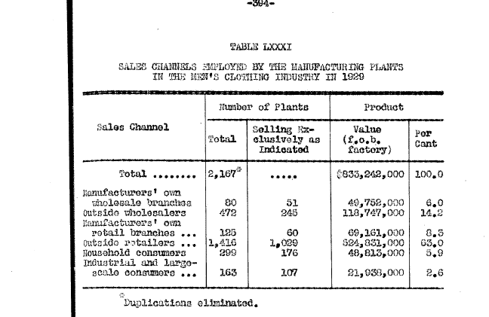
Men's Factory Made Clothing Industry | 11: After war, the requirements of hundreds of thousands of soldiers returning to civil life and the general need in the South caused the factories that had been established for making uniforms to turn to ready-made clothing | 11
Men's Factory Made Clothing Industry | Manufacturer with an inside shop had a certainty of production not possible when working with contractors | 18
Men's Factory Made Clothing Industry | 43: data regarding the selling cost and selling methods were obtained from 64 establishments. Of the total sales of these establishments, 98.21% went to retailers and 1.29% to jobbers. .21% sold by mail order and .08% by tailing-to-the-trade, .21% exported | 43
Men's Factory Made Clothing Industry | 65: raw materials more than half of the total cost (on average). Direct labor second highest cost70 | 65
Men's Factory Made Clothing Industry | unit economics on a suit | 90-93ish
Men's Factory Made Clothing Industry | cost of materials averages more than half the total cost of production of clothing. Cost of the fabric or outer cloth is several times as large as the cost of the other materials. | 141
Men's Factory Made Clothing Industry | price of mohair and wool (From Boston Commercial Bulliten) | 142
Men's Factory Made Clothing Industry | 150: cloth is purchased from 2-9 months in advance of its being used, the usual period being about six months | 150
Men's Factory Made Clothing Industry | 240: Table 51: 98.21% sold to retailers | 240
Men's Factory Made Clothing Industry | 241: Manufacturers have two methods of selling to retailers; they sell to all from whom orders can be secured or confine their business to one or two retailers in each city or town. Much difference of opinion in the industry as to which is the more advantageous method | 241
Men's Factory Made Clothing Industry | Largest sales for the winter season are made in April and May, with the heaviest deliveries in August and September. Largest sales for the summer season are in October and November, with deliveries heaviest in February and March. | 241
Men's Factory Made Clothing Industry | 242: the tendency in the trade seems to be toward smaller and more frequent orders, one reason for which is the rapid change in styles in recent years. When styles remained more uniform from year to year, the retailer could carry left-over goods from one season to the next and sell them without a loss. Style seasons from season to season have put an end to this, and consequently the retailer places smaller orders, f earing that a dull season will leave him with a stock of left-over goods | 242
Men's Wear Merchandising | 26-27: bulk of men’s wear distributed through the retail store | 7-8
Men's Wear Merchandising | Not advisable to purchase a full season’s supply in advance, for fashion’s may change | 84 of pdf (65)
Men's Wear Merchandising | At present time, unit store the principal retail outlets for men’s apparel. | 136 of pdf (117)
Men's Wear Merchandising | 137—138: unit store at a disadvantage compared to department store if individual wants to concentrate on family purchasing | 118-119
Men's Wear Merchandising | Manufacturers’ chains have developed along 2 closely related lines: 1. Manufacturer who distribute their entire product through their own retail stores 2. The practice of producers’ securing a substantial financial interest in a # of retail outlets for the purpose of securing more adequate control of distribution and of minimizing some of the risks incident to the distribution of clothing. This major trend generally referred to as a vertical integration, that is production and distribution within a single organization. Richman Bros an example of the first type. 2nd type, Fashion Park Associates. Fashion Park secures a control of a # of retail outlets sufficient to insure steady distribution. The specific inception of the Fashion Park Associates came as a result of a combination with what was already a powerful chain in the better class field. This type bringsthe chain store into a new price field. The low end of the biz taken care of by Richman Bros and concerns of similar type | 165 of pdf (146)
Men's Wear Merchandising | 166: the advantages of the Fashion Park Associates plan are believed to be: 1. Reduction of overhead through regularized production made possibly be maintained distribution 2. Avoidance of inequalities in distribution due to competitive factors 3. Maintenance of close contact with retail outlets 4. Individuality of associate stores preserved 5. Reductions in personnel and lessening of selling costs 6. Gains from better coordination of production and distribution. This form of organization presupposes stores of the quality type that maintain their individuality. Sets them off from the usual chain store type | 147
Men's Wear Merchandising | 213: In an earlier period in retailing men’s apparel, merchants secured their entire season’s requirement in a single purchase. With the shift to a consumer’s market and the increased interest in fashion, this procedure is undesirable. Now, only 40-60% is purchased at the beginning of the buying season, leaving 60% to 40% open to buy. Allows for style changes and quick changes in demand. Just how much is left open to buy depends upon the particular items. Poor biz policy to be underbought in items where the demand is fairly steady and fashion element less apparent. In such cases, the initial order may reach 85% of the season’s requirement. | 194
Men's Wear Merchandising | 381: in the retail clothing business, peak seasonal sales occur in such months as November and December, and April and May February and August are characteristically dull months | 360
Men's Wear Merchandising | 400: the change from selling to wholesalers to selling to retailers is an expensive process. To secure the trade of retailers so as to be able to sell to them direct requires heavy advertising and selling expenses, which only the largest and strongest manufacturers can afford. Even after a trade with retailers is established, the cost of selling to them direct is much greater than the cost of selling to wholesalers or through commission houses or agents. In selling to retailers, more accounts are carried, a larger credit force is necessary, longer credits must be given, and there is greater liability to losses owing to failures of customers. | 379
Men's Wear Merchandising | 460: Fashion Park Associates had its origin in the combination of several producing units with a strong chain store organization. | 439
Men's Wear Merchandising | Manufacturer control of retailing is a form of vertical integration (460 of PDF | 439
Men's Wear Merchandising | 478: a study of the marketing of men’s suits showed that a typical manufacturer pays 28.2% of the retail price of the suit for raw materials. Costs him 23.3% to manufacture the product and 15.1% of the total goes for his selling and other overhead costs. The retailer’s operating expenses take 30.6% of the selling price. The profit of the manufacturer is 1.5% and that of the retailers only 1.3% of the selling price [Can’t tell for sure that there’s a decimal for 1.5 and1.3, but think so] | 457
Men's Wear Merchandising | 487: In the early 19th century, Hamilton, in his report on manufacturers, observed that about 4/5’s of the garments were still made in the home | 466
Men's Wear Merchandising | A third period of development of the men’s clothing industry in the US is marked by the beginnings of ready-to-wear clothing and dates from 1830-1860. First ready-to-wear clothing garments in the US were made about the year 1830 and were intended for sailors on whaling ships. | 466 |  |  | development of men's clothing industry
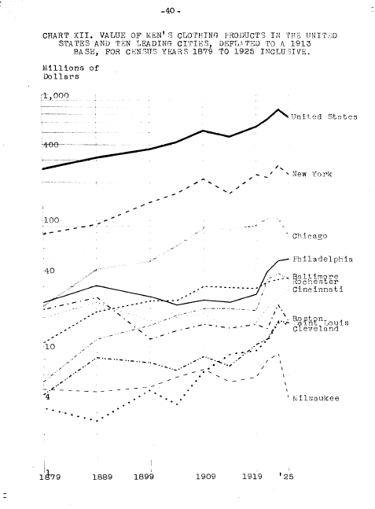
Men's Wear Merchandising | 489: The period of 1900-1920saw centralization of the manufacturing process and the erection of many splendid clothing factories. This centralization is referred to as the “inside factory system” as distinguished from the contract system | 468
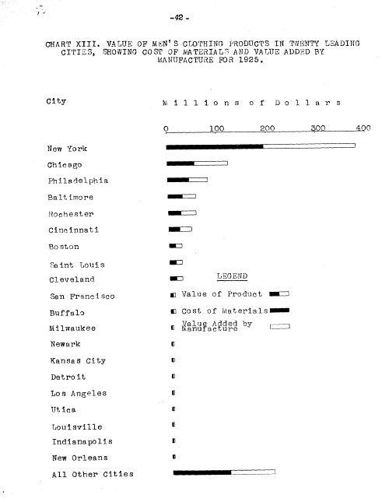
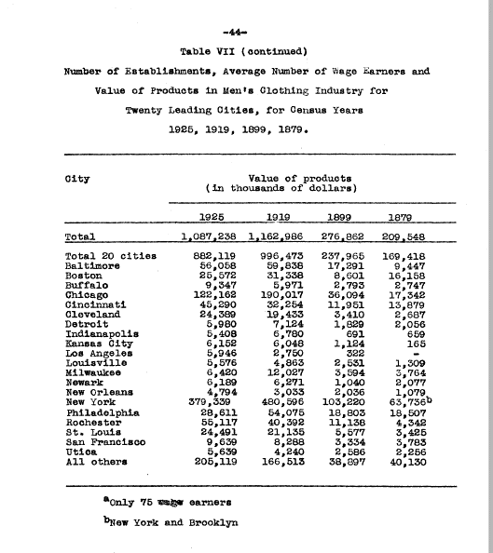
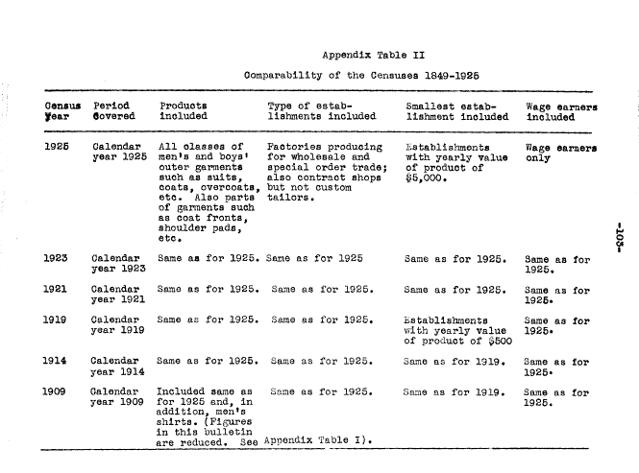
Men's Wear Merchandising | In general terms, it might be said that before 1900 all men’s clothing was made by unnamed manufacturers. Since 1900 however national advertising and clothing that bears the manufacturer’s name have become the rule rather than the exception | 468
Men's Wear Merchandising | It is these two factors, perhaps, national advertising and branded merchandise, that have been the aggressive, determining influences toward the development of the large-scale production which the last 2 decades have witnesses | 468
Men's Wear Merchandising | 490: inside factories are the typical large-scale factories centralizing all the operations in the making of men’s clothing in a single building or group of building. All he productive processes are under one management and no part of the work is “farmed out”. The establishments in CHI, Rochester, Baltimore, Cleveland, and St Louis are in the main ‘inside factories’, little or no work being let out to contractors. In NY, “contract” production predominates | 469
Men's Wear Merchandising | Contract shop, or outside shop, is the oldest form of production in the making of clothes since the development of the ready-to-wear industry. Great majority of producers of this time, the so-termed manufacturers of the 70’s do not engage in manufacturing at all. They finance the buying of cloth, have it cut in their own shop to their own standard pattern, and then turn the actual tailoring (491) of the garments to contractors who bid against each other for each contract. | 469
Men's Wear Merchandising | 491: such “manufacturers” have practically no control over methods of production, quality of workmanship, or working conditions in the contract shops. Garments in early days were so totally lacking in style, quality, and tailoring they became known as ‘hand-me-downs’ | 470
Men's Wear Merchandising | 493 and 494:On volume of biz,: NY, CHI, Philadelphia, Baltimore, Cleveland, Rochester, Cincinnati, STL, and Boston | 472-473

Needle Trades | 14: The first real ready-made clothing industry, however, did not develop until bout. Century later, s n outgrowth of the trade in men’s second-hand clothing. | 14
Needle Trades | The manufacture of ready-made clothing had become a thriving business by 1835, though it was practically limited to men’s and boys’ clothing of the cheaper grades and to shirts. | 14
Needle Trades | 15: The Civil War gave a great impetus to the manufacture of ready-made clothing, with large orders for uniforms given by the government to private industry. It was discovered, moreover, that certain combinations of measurements occurred over and over again, and (16) this essential knowledge of human proportions prepared the industry for large scale production of ready made garments for civilian use.
Needle Trades | 144: The amalgamated, likewise, experienced its share of difficulties in the trying days that followed the war. Only one large Rochester firm, Michaels stern and co., Did not subscribe to the agreement that the employers Association of that city side with the amalgamated early 1919. When the Amalgamated Called a strike against Michael Stern later in the year, the firm sought aid from the united garment workers, besides obtaining injunction and filing against the amalgamated for damages of $100,000 the union was alleged to have caused it. | VERIFY
Needle Trades | they have Saul Emily price competition between contractors by the settlement of P3 directly with the jobber. As a result contractor mortality has been sharply reduce, and both contractors and their workers have been greatly benefited. The workers in the inside shops and likewise employers have gained intern through the illumination of destructive competition | 276
Needle Trades | 334: Census valuation of the product is based on wholesale prices and that the cost to the consumer, on the average, isabout 65% greater | 334
Needle Trades | 9: In men’s clothing, although style has assumed more important with the passing o years, the changes are moderate and subdued, without the [10] same caprice, extravagance, and erratic fits that characterize fashions for women. | 9
Needle Trades | 10: it is this relative stability in men’s fashion that permits a more minute division of labor and the development of moderately large enterprises | 10
Needle Trades | Even slight changes in fashion from season to season, however, prevent much manufacturing in advance of sales, and thereby cause the irregularity of employment that has constituted one of the greatest problems for workers in the needle trades | 10
Needle Trades | 271: After 1923 the ordinary piece-work system steadily replaced production standards in the market, as old firms that had participated in the effort went out of business. The economic collapse that began in 1929, with its intensification of competition in the industry, hastened the end of the experiment. The employers felt certain that they could obtain lower labor costs by bargaining over piece rates than by retaining production standards, under which the union could keep costs high by refusing to except a cut in the basic rates. More and more firms shifted to the piece rate system, and with the dissolution of the manufacturers association late in 1931 and the conflict with the union over a wage reduction, production standards were at an end. | 271
Notes from Annual Reports
Story of Men's Clothes | Pg 13: first large wholesale clothing houses in the US got their start during the 70s and 80s in the period of great commercial expansion following the Civil War. They didn’t do much manufacturing at all, they financed the buying of the cloth, had it cut in their own shops to their own standard patterns and then turned over the actual tailoring of the garments to contractors, who bid against each other for each contractor. Contractor engaged additional help at the lowest price possible. Recently as 1925 large % of men’s clothing in NYC made in contract shops. | 13
Story of Men's Clothes | In Rochester, clothing industry started when Meyer Greentree moved there from Canandaigua and started to make clothing on Front Street in the year 1850. 19-20 Rochester pre-eminently a quality market | 19-20
Story of Men's Clothes | The London Process | 34 | For Worsteds, not applicable here
The development of the Men's Clothing Industry | 16: The sewing machine was put on the market in 1849 and within a few years had given a great impetus to the industry. | 8
The development of the Men's Clothing Industry | 103: The manufacture of men's clothing has not been distributed evenly throughout the country, but has been concentrated in certain large cities, particularly in New York, Chicago, Philadelphia, Baltimore, Rochester, Cincinnati, Boston, and Cleveland, The concentration in cities was greatest about 1909 or 1914, and in recent years has declined slightly. In 1925, almost four-fifths of the entire industry was carried on in twenty cities. New York has always manufactured far more men's clothing than any other city, and for many years Chicago has ranked second. | 95 | [this seems in contrast to what you had in the chapter on TC? Double check numbers, understand differences]
The development of the Men's Clothing Industry | 23: The elimination from the census reports of all establishments whose yearly product was valued at less than $5,000 was responsible for the decrease in the number of establishments, limit earlier as $50,000???? | 15
Union Management Cooperation | 25: Not until the sewing machine was invented in 1846 did it become possible to produce ready-made clothing on a large scale. In 1939 the value of products turned out by the approximately 12,270 establishments with about 441,400 workers was estimated to have been slightly more than $2 billion, the value added by manufacture almost $862 million. | 25
Union Management Cooperation | 161: Since the men's clothing branch of the industry is less exposed to fluctuations of style than the woman's branch and since its prducts are more standardized than women's garments, it uses more machines in porpotion to value of product than the women's clothing industry | 161
Union Management Cooperation | Labor may be the largestcost item after materials. The proportion of wagestothe total product has been estimated to be 23.5% in the men’s clothing industry but only about 16% in manufacturing industries as a whole. Almost a third of the total sales revenue may be spent for direct labor (Men’s clothing, collective bargaining) | 27
Union Management Cooperation | 43: The Amalgamted Clothing Workers of America claims about 95% of the workers in the men’s clothing industry proper | 43
Union Management Cooperation | 60: With numerous producers, low concentration, different prices frequently charged by different firms, little rigidity of price over long periods of time, high utilization of productive capacity during each phase of the trade cycle, moderate profits per unit of production, and a high rate of business mortality, clothing clearly was and still is a highly competitive industry. | 60
Union Management Cooperation | Contractors bid against one another in offering their services to manufacturers and jobbers. Manufacturers and jobbers bid against one another in offering their products to distributors. Competition in the latter field is intensified by the character of the product and the organization of the market….. The number of sellers is large and the total sold by each of them is small, the number of buyers relatively small and the total bought by each of them large. | 60
Union Management Cooperation | 67: Shipping cost is only a small part of the retail price and is with few exceptions absorbed by the retailer in his gross margin. | 67
Union Management Cooperation | Many products of the clothing industry have been nationally advertised for a long time, and producers have always competed on a national basis. | 67
Union Management Cooperation | Some concerns, especially those producing men’s clothing, decentralized manufacturing operations and had them carried through in small plants located in small towns. | 67
Union Management Cooperation | 114: competition among employers should be inn efficiency of management, salesmanship, and service to consumers, not in getting cheap labor. | 114
Union Management Cooperation | Unions say the ratio of labor cost to total cost may have gone up, but production costs have decreased to some extent because, owing to higher efficiency, more garments are produced now with the same number of workers and the same capital equipment | 114
Union Management Cooperation | 166: Regulating mechanization has been facilitated by the fact that there are relatively few machines which can be used in manufacturing garments and that they are not fully automatic
Union Management Cooperation | 132: Highly seasonal: EW Morehouse “Development of Industrial Law in the Rochester Clothing Market” Quarterly Journal of Economics, February 1923 p 288
Union Management Cooperation | 146: There is a tendency among manufacturers to specialize in single price ranges and to establish a reputation for a certain price line. Some firms produce several types of garments. But wage and other managerial problems may make the production of more than one line difficult.
Union Management Cooperation | 160: As compared with other industries, mechanization has not advanced very far in clothing production
Union Management Cooperation | 161: Since the men’s clothing branch of the industry is less exposed to fluctuations of style than the women’s branch and since its products are more standardized than women’s garments, it uses more machines in proportion to value of product than the women’s clothing industry
Union Management Cooperation | The capitalization per worker in the dress industry for example was only $400 in 1940 compared to $2,450 to $6,000 in most manufacturing industries
Union Management Cooperation | 251: But the unions as well as numerous manufacturers have believed that elimination of sweat-shop conditions serves the public interest, even when it results in slightly higher prices. IT is not possible to trace the manner and extent to which union-management co-operation has influenced selling prices. In view of the competitive situation and the desire on both sides to stimulate demand for clothing it is, however, unlikely that it has resulted in prices out of line with the general price level.
Union Management Cooperation | 243: 90-95% of manufacturers’ workers are organized principally in one union in each of the two main branches of the clothing industry | 243
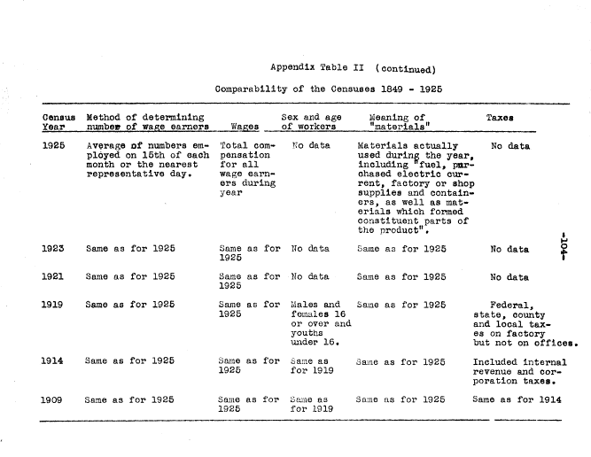
Union Management Cooperation | : It is a well known fact that expenditures for clothing increase considerably with rising income, often by a higher percentage than other disbursements for current consumption. On the other hand, with decreasing incomes consumers often begin to curtail expenses by buying less clothing. Moreover, some types of clothing are luxury items which people may well forego. Accordingly, the clothing industry is more vulnerable to economic ups and downs than other industries. Reacts strongly even to a slight deterioration in general economic conditions. | 26
Topics:
do you want to mention employment exchange?
Add a bit more about the cost structure of the industry? Annuals would probably be best
unit economics… do you just want to mention low margin business?

To-do:
UoR
AR

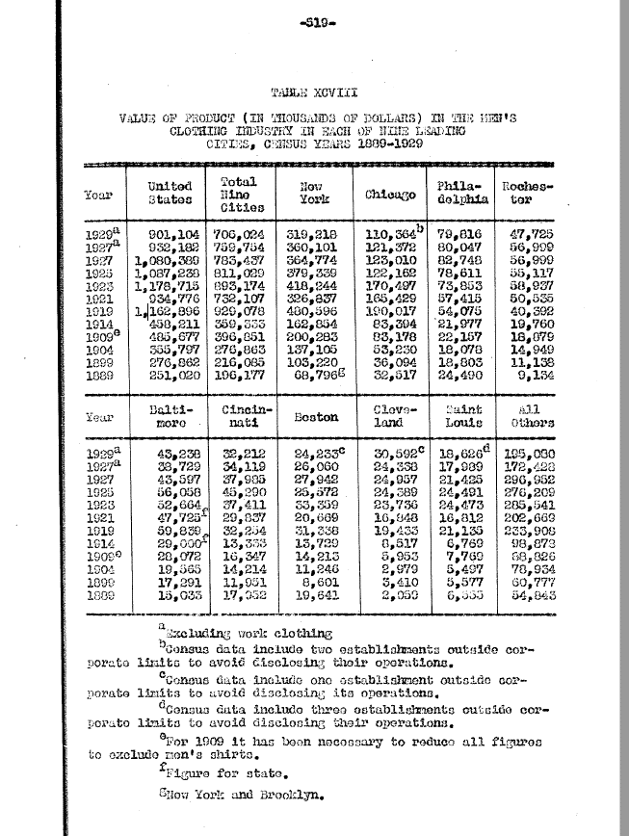

From Men's wear merchandising

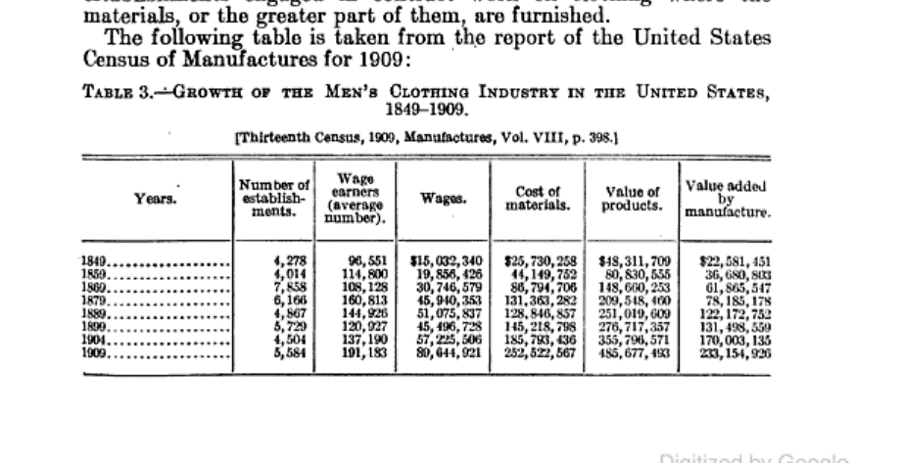

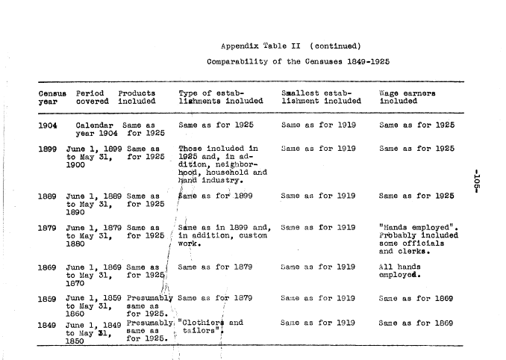

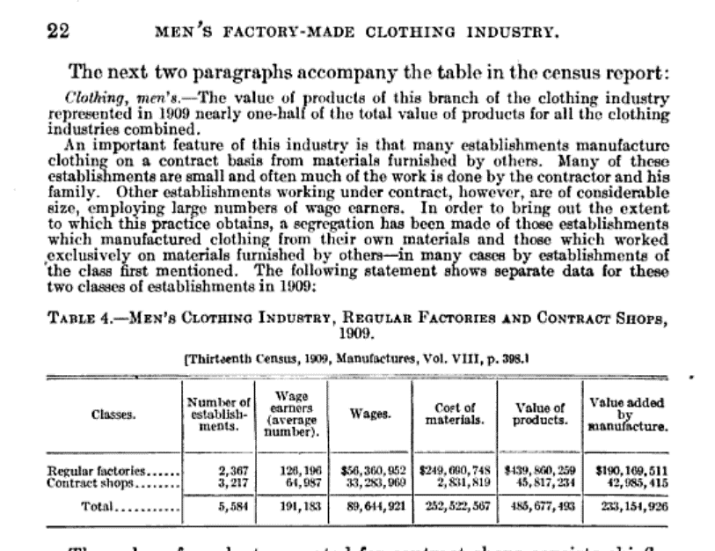

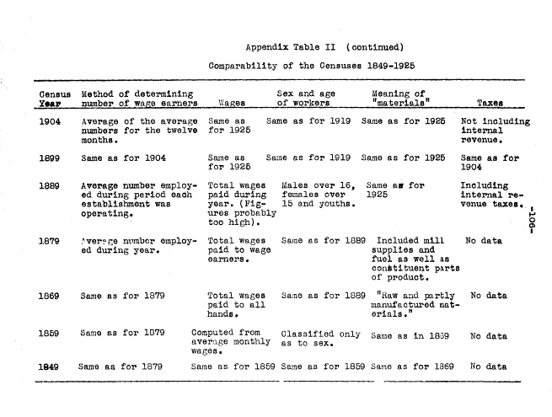

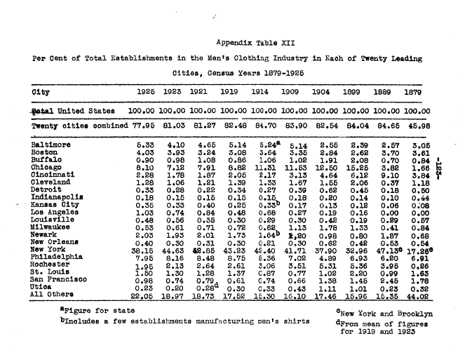

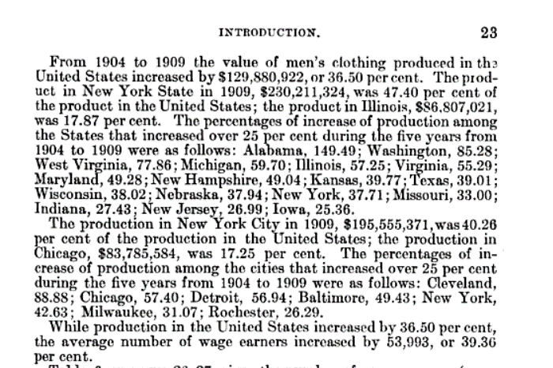

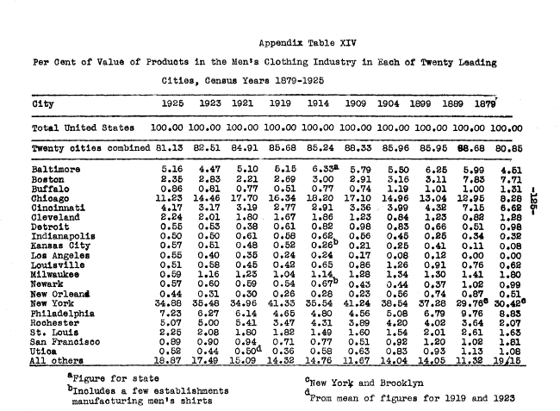

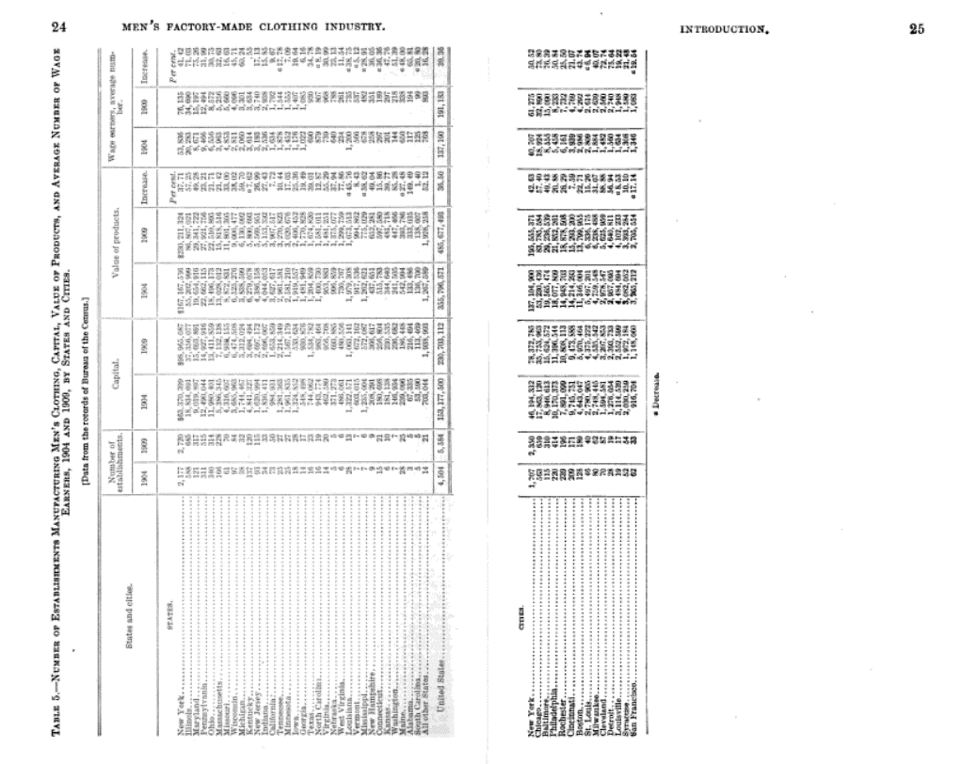

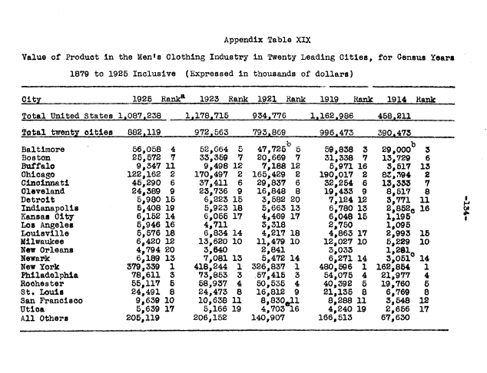

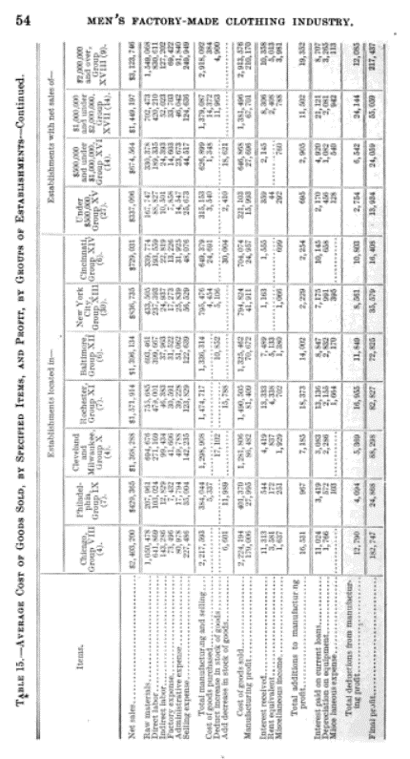
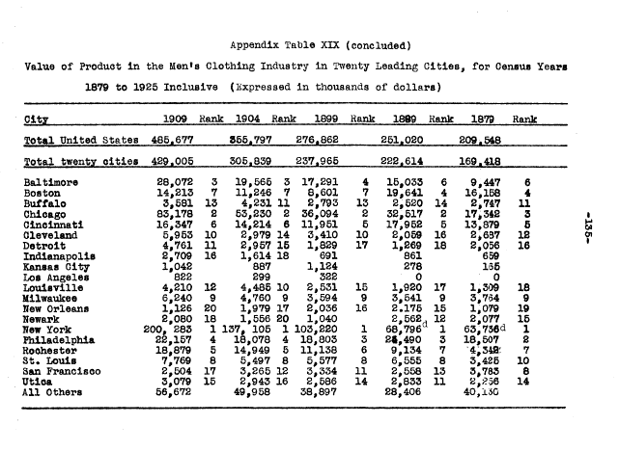

138 of Men's Wear Merchandising PDF

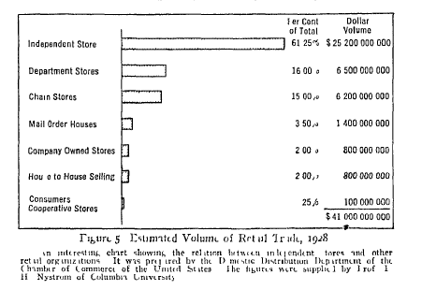

526

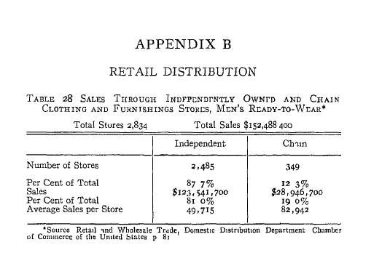

526
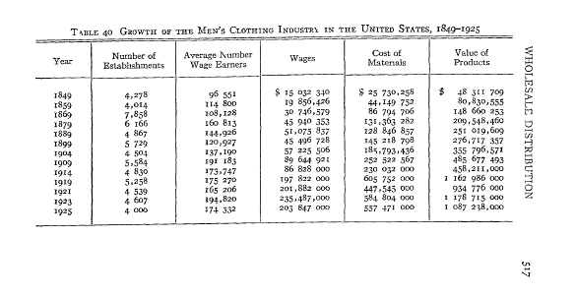

539

Proxy stuff
file | pg of pdf | note
203_3_6-1 | 11 | 2 individuals one trustee selling. 90K shares
203_3_6-1 | 11 | financials. From 35-45
203_3_6-1 | 12 | Suits, overcoats, and topcoats, which comprise the bulk of the company's business, retail generally at prices ranging approx from $45-65. stresses young men's styling
203_3_6-1 | 12 | sells its product to >1000 retail merchants
203_3_6-1 | 12 | principal raw material used by the Company are domestic woolen and worsted fabrics and trimmings.
203_3_6-1 | 12 | while fabrics are purchased from numerous mills, the company purchases from a single supplier a particular type of all wool worsted fabric presently used by the Company for suits and slacks. Company introduced this fabric in its clothing in 1945
203_3_6-1 | 12 | been based upon an estimate that approximately 1/3 of its total production during the current fiscal year will be clothing made of this fabric. Supplier sells this fabric only to the Company
203_3_6-1 | 12 | subsidiary operates 7 stores in Cali
203_3_6-1 | 13 | during the war, company subject to regulations and restrictions imposed by governmental agencies. War production board regulations restricted the manufacture of clothing wheeby two-trouser suits, vests with double-breasted suits and other features requiring extra materials were eliminated, and some of these restrictions still remain in force
203_3_6-1 | 17-18 | financials
203_3_6-1 | 23 | offerred 1 and 1/4 shares of its common stock for each outstanding share of Kennedy's (which has 50K shares of preferred stock and 118,425 of common)
203_3_6-1 | 48 | 2/23/1966 - report on BVD tender
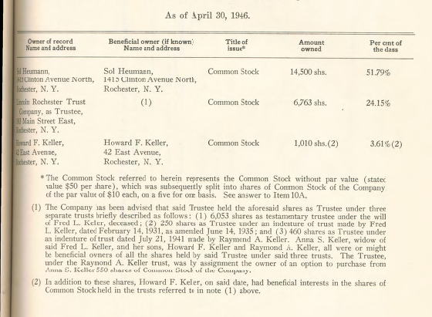
203_3_6-2 | 37 | ownership
203_3_6-2 | 41 | Amalgamated
203_3_7 | none
203_4_1 | none
D75_1_5 | 1 | Mcfarlin and Mullen & Bluett acquisition hurt TC
D75_1_5 | 4 | Messrs. Cartwright, Duane, Mergott and Sullivan are each members of investment securities firms whose customers and associates own approximately 55, 000 of the 140, 000 presently outstanding shares of the company.
D75_1_6 | none
D75_1_7 | 27 | retail outlet business is something that has got to come. Bought good stores, think it is in the right direction. Limitrs out distribution today with other people buying these stores, and tthey are buying right and left. Cuts us out. There are 3 good stores, 2 owned by competitors, got one store to go to. not only that, but savings in that are tremendous
D75_1_7 | 28 | clients of Cartwright own 40% of stock
D75_1_7 | 50 | Kaye owned 300 shares of MCFarlin stores (12K outsstanding)
D75_1_8 | none
D75_1_9-01 | none
D75_1_9-02 | none
D75_2_9 | 1 | Most clothing firms used contract plants to manufacture the garments and during the early 1900's Fred Keller was the largest Coat manufacture, Conrad Thomson a vest Manufacture, and Sol Heumann not only sold pants sbut was Michaels-Stern source of manufacture
D75_2_9 | 1 | Sol Heumann died September 10, 1949
D75_2_9 | 2 | Bernard Heumann voted with the board, Brokers kept on the Board.
D75_2_9 | 2 | During 1965, Leon Sullivan a directoor asked if he would sell the Timely stock he held at $20 per share. Pledged to BVD, at March 8 1966 Timely was a part of the BVD firm
D75_2_9 | 2 | BVD wanted to move them to Richmond to improve Timely's price point. Rochester clothing manufactures were losing tere position in the clothing market, the union vetoed the move
D75_2_9 | 3 | BVD called special meeting of Timely stockholders June 7 1968 and merged it with The Alligator Company, a subsidiary of BVD. This was the final chapter of Timely.
D75_2_9 | 3 | Timely distribution very strong west of Rockies during the 1930s sales and this market was directed by Monroe Heumann and he opened Sales and Stockroom's in LA, SF, Seattle. During this period 40% of Timely sales came from this area.
D75_2_9 | 3 | During 1941, Timely purchases from the estate of Monroe Heumann a chain of Men's stores located in southern California. Start of Timely entering the retailing business.
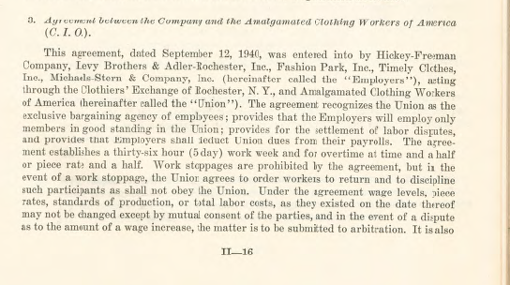
D75_4_3 | none
D75_4_4 | none

1951 Portfolio
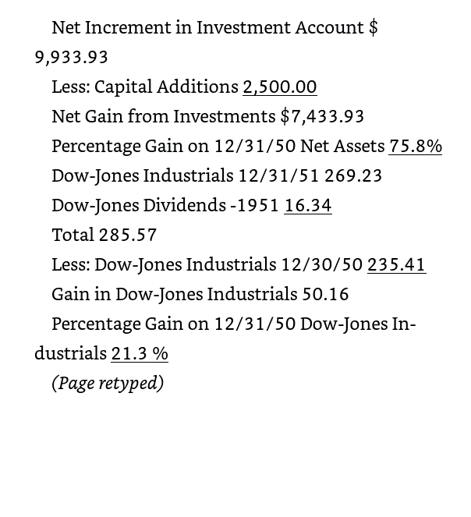
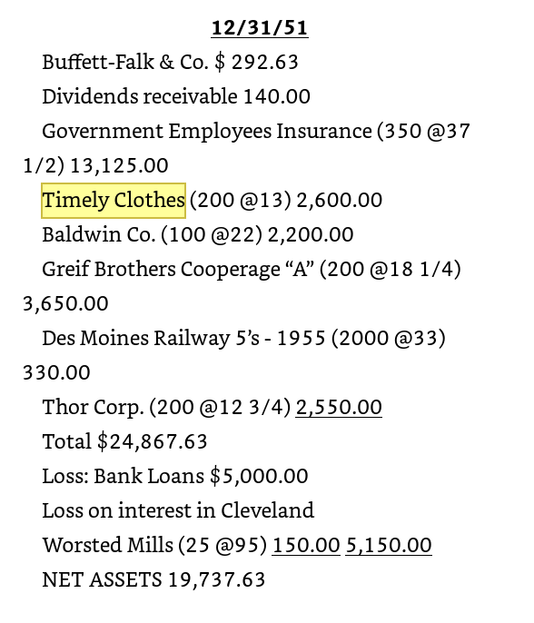
Warren Buffett Portfolio at 12/31/1951
 |  |  |  | Percent of
 | Shares | Price | Value | Portfolio |  | Type of business | % of Portfolio
Buffett-Falk & Co. |  |  | $292.63 | 1.18%
Dividends receivable |  |  | $140.00 | 0.56%
GEICO | 350 | $37.50 | $13,125.00 | 52.74% | 13125 | Auto insurance | 66%
Timely Clothes | 200 | $13.00 | $2,600.00 | 10.45% | 2600 | Men's suits | 13%
Baldwin | 100 | $22.00 | $2,200.00 | 8.84% | 2200 | Musical instruments | 11%
Greif Brothers | 200 | $18.25 | $3,650.00 | 14.67% | 3650 | Shipping containers | 18%
Des Moines Railway 5's - 1955 | 2,000 | $33.00 | $330.00 | 1.33% | 660 | Railroad | 2%
Thorp Corp | 200 | $12.75 | $2,550.00 | 10.25% | 2550 | Hand Power Tools | 13%
Total |  |  | $24,887.63
Less: Bank Loan |  |  | $5,000.00
Loss on Cleveland Worsted Mills |  |  | $150.00
Total Net Worth |  |  | $19,737.63
Includes 5000 bank loan |  |  | 19,455.00

